5.1
5.1.1: Relative position of different countries with respect to the European 2030 strategy regarding education and training, 2022 |  |  |  |  |  |  |  |  |  | Extraction date: | 02.05.2022
Eurostat, edat_lfse_03, edat_lfse_14, edat_lfse_24, educ_uoe_enra21, educ_outc_pisa.

France
 | Target | EU-27 | France
Early childhood education and care (2020) | 1 | 0.969 | 1.042
Early leavers from education and training (2021) | 1 | 0.928 | 1.154
Underachievement in reading (PISA 2018) | 1 | 0.667 | 0.718
Underachievement in maths (PISA 2018) | 1 | 0.655 | 0.704
Underachievement in science (PISA 2018) | 1 | 0.673 | 0.732
Underachievement in digital skills (2018) | 1 |  | 0.345
Tertiary education attainment (2021) | 1 | 0.916 | 1.118
Germany
 | Target | EU-27 | Germany
Early childhood education and care (2020) | 1 | 0.969 | 0.976
Early leavers from education and training (2021) | 1 | 0.928 | 0.763
Underachievement in reading (PISA 2018) | 1 | 0.667 | 0.725
Underachievement in maths (PISA 2018) | 1 | 0.655 | 0.711
Underachievement in science (PISA 2018) | 1 | 0.673 | 0.765
Underachievement in digital skills (2018) | 1 |  | 0.452
Tertiary education attainment (2021) | 1 | 0.916 | 0.793
 |  | Early childhood education and care (2020) | Early leavers from education and training (2021) | Underachievement in reading (PISA 2018) | Underachievement in maths (PISA 2018) | Underachievement in science (PISA 2018) | Underachievement in digital skills (2018) | Tertiary education attainment (2021)

 | Target | 1 | 1 | 1 | 1 | 1 | 1 | 1
 | EU-27 | 0.969 | 0.928 | 0.667 | 0.655 | 0.673 |  | 0.916
 | Germany | 0.976 | 0.763 | 0.725 | 0.711 | 0.765 | 0.452 | 0.793

 | Target | 1 | 1 | 1 | 1 | 1 | 1 | 1
 | EU-27 | 0.969 | 0.928 | 0.667 | 0.655 | 0.673 |  | 0.916
 | Ireland | 1.042 | 2.727 | 1.271 | 0.955 | 0.882 |  | 1.371

 | Target | 1 | 1 | 1 | 1 | 1 | 1 | 1
 | EU-27 | 0.969 | 0.928 | 0.667 | 0.655 | 0.673 |  | 0.916
 | France | 1.042 | 1.154 | 0.718 | 0.704 | 0.732 | 0.345 | 1.118

Italy
 | Target | EU-27 | Italy
Early childhood education and care (2020) | 1 | 0.969 | 0.985
Early leavers from education and training (2021) | 1 | 0.928 | 0.709
Underachievement in reading (PISA 2018) | 1 | 0.667 | 0.644
Underachievement in maths (PISA 2018) | 1 | 0.655 | 0.630
Underachievement in science (PISA 2018) | 1 | 0.673 | 0.579
Underachievement in digital skills (2018) | 1
Tertiary education attainment (2021) | 1 | 0.916 | 0.629
Poland
 | Target | EU-27 | Poland
Early childhood education and care (2020) | 1 | 0.969 | 0.946
Early leavers from education and training (2021) | 1 | 0.928 | 1.525
Underachievement in reading (PISA 2018) | 1 | 0.667 | 1.020
Underachievement in maths (PISA 2018) | 1 | 0.655 | 1.020
Underachievement in science (PISA 2018) | 1 | 0.673 | 1.087
Underachievement in digital skills (2018) | 1
Tertiary education attainment (2021) | 1 | 0.916 | 0.902
 | Target | 1 | 1 | 1 | 1 | 1 | 1 | 1
 | EU-27 | 0.969 | 0.928 | 0.667 | 0.655 | 0.673 |  | 0.916
 | Italy | 0.985 | 0.709 | 0.644 | 0.630 | 0.579 |  | 0.629

 | Target | 1 | 1 | 1 | 1 | 1 | 1 | 1
 | EU-27 | 0.969 | 0.928 | 0.667 | 0.655 | 0.673 |  | 0.916
 | Poland | 0.946 | 1.525 | 1.020 | 1.020 | 1.087 |  | 0.902

 | Target | 1 | 1 | 1 | 1 | 1 | 1 | 1
 | EU-27 | 0.969 | 0.928 | 0.667 | 0.655 | 0.673 |  | 0.916
 | Finland | 0.947 | 1.098 | 1.111 | 1.000 | 1.163 | 0.549 | 0.891

Finland
 | Target | EU-27 | Finland
Early childhood education and care (2020) | 1 | 0.969 | 0.947
Early leavers from education and training (2021) | 1 | 0.928 | 1.098
Underachievement in reading (PISA 2018) | 1 | 0.667 | 1.111
Underachievement in maths (PISA 2018) | 1 | 0.655 | 1.000
Underachievement in science (PISA 2018) | 1 | 0.673 | 1.163
Underachievement in digital skills (2018) | 1 |  | 0.549
Tertiary education attainment (2021) | 1 | 0.916 | 0.891
Ireland
 | Target | EU-27 | Ireland
Early childhood education and care (2020) | 1 | 0.969 | 1.042
Early leavers from education and training (2021) | 1 | 0.928 | 2.727
Underachievement in reading (PISA 2018) | 1 | 0.667 | 1.271
Underachievement in maths (PISA 2018) | 1 | 0.655 | 0.955
Underachievement in science (PISA 2018) | 1 | 0.673 | 0.882
Underachievement in digital skills (2018) | 1
Tertiary education attainment (2021) | 1 | 0.916 | 1.371

 |  |  |  |  |  |  |  |  | Note: Some data are provisional at the time of publication. |  |  |  | DEPP, Education in Europe: Key figures 2022.

5.1.2: Results of each country presented in figure 5.1.1 with respect european 2030 strategy regarding education and training targets, 2022 |  |  |  |  |  |  |  |  |  |  | Extraction date: | 02.05.2022
Eurostat, edat_lfse_03, edat_lfse_14, edat_lfse_24, educ_uoe_enra21, educ_outc_pisa.

 |  | Early childhood education and care (2020) | Early leavers from education and training (2021) | Underachievement |  |  |  | Tertiary education attainment (2021)
 |  |  |  | Reading (PISA 2018) | Maths (PISA 2018) | Science (PISA 2018) | Digital skills (ICILS 2018)

 | EU-27 | 93.0 | 9.7 | 22.5 | 22.9 | 22.3 | - | 41.2
 | Germany | 93.7 | 11.8 | 20.7 | 21.1 | 19.6 | 33.2 | 35.7
 | Ireland | 100.0 | 3.3 | 11.8 | 15.7 | 17.0 | - | 61.7
 | Spain | 97.2 | 13.3 | 23.2 | 24.7 | 21.3 | - | 48.7
 | France | 100.0 | 7.8 | 20.9 | 21.3 | 20.5 | 43.5 | 50.3
 | Italy | 94.6 | 12.7 | 23.3 | 23.8 | 25.9 | - | 28.3
 | Poland | 90.8 | 5.9 | 14.7 | 14.7 | 13.8 | - | 40.6
 | Finland | 90.9 | 8.2 | 13.5 | 15.0 | 12.9 | 27.3 | 40.1
 | Target | ≥ 96 % | < 9 % | < 15 % | < 15 % | < 15 % | < 15 % | ≥ 45 %

 | Note: Figures in bold in the table correspond to cases where the target is met.

 |  |  |  |  |  | DEPP, Education in Europe: Key figures 2022.

5.2
5.2.1: Participation rate of children between 3 years old and the age of entry into compulsory primary education in 2019-2020 |  |  |  |  |  |  |  |  |  | Extraction date: | 2022-05-02
Eurostat , UOE data collection, educ_uoe_enra21

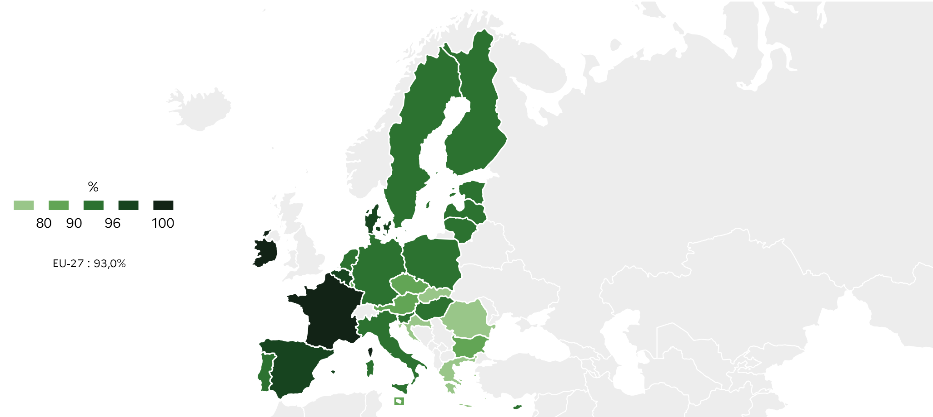
 |  | %
 | EU-27 | 93.0
 | BE | 98.5
 | BG | 80.1
 | CZ | 85.8
 | DK | 97.6
 | DE | 93.7
 | EE | 91.9
 | IE | 100.0
 | EL | 71.3
 | ES | 97.2
 | FR | 100.0
 | HR | 78.8
 | IT | 94.6
 | CY | 91.1
 | LV | 94.0
 | LT | 90.9
 | LU | 89.5
 | HU | 92.8
 | MT | 89.1
 | NL | 91.7
 | AT | 89.7
 | PL | 90.8
 | PT | 92.9
 | RO | 78.2
 | SI | 92.6
 | SK | 78.1
 | FI | 90.9
 | SE | 95.9 |  |  |  |  |  |  |  |  | DEPP, Education in Europe: Key figures 2022.

5.2.2: Proportion of early school leavers among 18-24 year olds, 2021 |  |  |  |  |  |  | Extraction date: | 2022-05-02
Eurostat, labour foce survey EU-LFS, edat_lfse_14

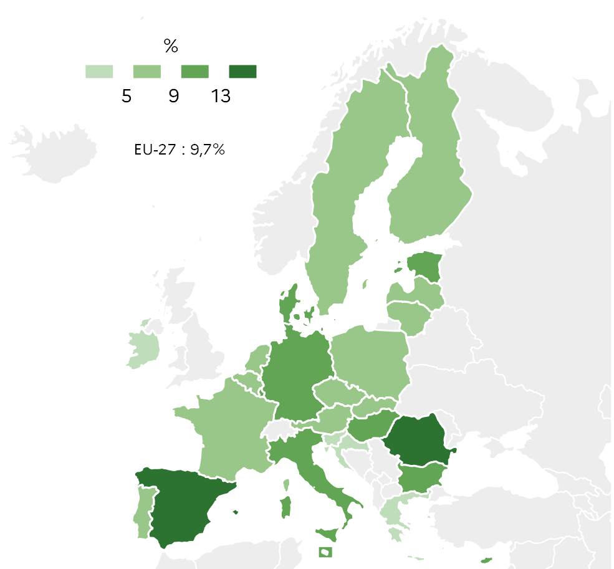
 |  | En %
 | EU-27 | 9.7
 | BE | 6.7
 | BG | 12.2
 | CZ | 6.4
 | DK | 9.8
 | DE | 11.8
 | EE | 9.8
 | IE | 3.3
 | EL | 3.2
 | ES | 13.3
 | FR | 7.8
 | HR | 2.4
 | IT | 12.7
 | CY | 10.2
 | LV | 7.3
 | LT | 5.3
 | LU | 9.3
 | HU | 12.0
 | MT | 11.0
 | NL | 5.3
 | AT | 8.0
 | PL | 5.9
 | PT | 5.9
 | RO | 15.3
 | SI | 3.1
 | SK | 7.8
 | FI | 8.2
 | SE | 8.4 |  | Note: The data for every coutry is considered provisional.

 |  |  |  |  |  | DEPP, Education in Europe: Key figures 2022.

5.2.3: Proportion of early school leavers among 18-24 year olds in the EU and in France by gender between 2011 and 2021 |  |  |  |  |  |  |  |  |  |  | Extraction date: | 2022-05-02
Eurostat, labour foce survey EU-LFS, edat_lfse_14 ; DEPP, Repères et références statistiques 2021.

 | EU-27 | EU-27 | France | France | France | France | France | France
2011 | 15.2 | 11.1 | 12.6 | 9.2
2012 | 14.5 | 10.6 | 12.2 | 8.9
2013 | 13.6 | 10.0 | 10.8 | 8.7
2014 | 12.7 | 9.4 | 9.9 | 7.8
2015 | 12.5 | 9.4 | 10.0 | 8.4
2016 | 12.1 | 9.1 | 10.1 | 7.5
2017 | 12.1 | 8.9 | 10.4 | 7.1
2018 | 12.1 | 8.8 | 10.6 | 6.8
2019 | 11.8 | 8.4 | 9.6 | 6.9
2020 | 11.8 | 8.0 | 9.7 | 6.3
2021 | 11.4 | 7.9 | 9.6 | 6.1
 |  | EU-27 |  | France
 |  | Males | Females | Males | Females
 | 2011 | 15.2 | 11.1 | 12.6 | 9.2
 | 2012 | 14.5 | 10.6 | 12.2 | 8.9
 | 2013 | 13.6 | 10.0 | 10.8 | 8.7
 | 2014 | 12.7 | 9.4 | 9.9 | 7.8
 | 2015 | 12.5 | 9.4 | 10.0 | 8.4
 | 2016 | 12.1 | 9.1 | 10.1 | 7.5
 | 2017 | 12.1 | 8.9 | 10.4 | 7.1
 | 2018 | 12.1 | 8.8 | 10.6 | 6.8
 | 2019 | 11.8 | 8.4 | 9.6 | 6.9
 | 2020 | 11.8 | 8.0 | 9.7 | 6.3
 | 2021 | 11.4 | 7.9 | 9.6 | 6.1

 |  |  |  |  |  | Note: Provisional data for France and EU-27 in 2021.

 |  |  |  |  |  |  |  | DEPP, Education in Europe: Key figures 2022.

5.2.4: Proportion of 25-34 year olds with higher educational attainment en 2021 |  |  |  |  |  |  |  | Extraction date: | 2022-05-02
Eurostat, labour foce survey EU-LFS, edat_lfse_03

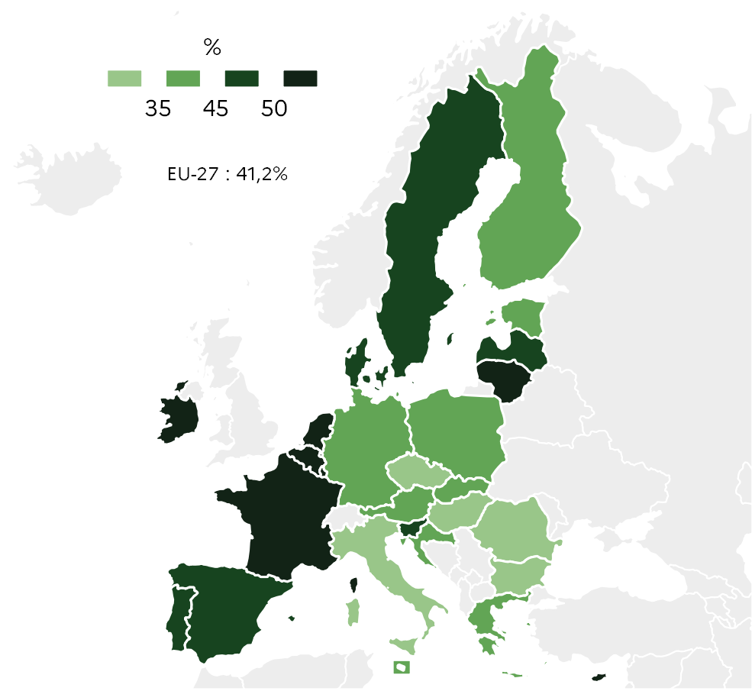
 |  | %
 | EU-27 | 41.2
 | BE | 50.9
 | BG | 33.6
 | CZ | 34.9
 | DK | 49.1
 | DE | 35.7
 | EE | 43.2
 | IE | 61.7
 | EL | 44.2
 | ES | 48.7
 | FR | 50.3
 | HR | 35.7
 | IT | 28.3
 | CY | 58.3
 | LV | 45.5
 | LT | 57.5
 | LU | 62.6
 | HU | 32.9
 | MT | 42.4
 | NL | 55.6
 | AT | 42.4
 | PL | 40.6
 | PT | 47.5
 | RO | 23.3
 | SI | 47.9
 | SK | 39.5
 | FI | 40.1
 | SE | 49.3 |  | Note: The data for every coutry is considered provisional.

 |  |  |  |  |  | DEPP, Education in Europe: Key figures 2022.

5.2.5: Proportion of 25-34 year olds with tertiary educational attainment in the EU and in France by gender between 2011 et 2021 |  |  |  |  |  |  |  |  |  |  |  |  | Extraction date: | 02.05.2022
Eurostat, labour foce survey EU-LFS, edat_lfse_03

 | EU-27 | EU-27 | France | France | France | France | France | France
2011 | 28.4 | 37.8 | 38.6 | 47.0 | 1 | 1 | 1 | 1
2012 | 29.1 | 39.2 | 38.1 | 47.0
2013 | 30.0 | 40.3 | 39.2 | 48.3
2014 | 30.9 | 40.9 | 40.1 | 48.4
2015 | 31.2 | 41.8 | 40.6 | 48.8
2016 | 31.5 | 42.3 | 39.4 | 48.7
2017 | 32.2 | 43.2 | 39.6 | 49.2
2018 | 33.2 | 44.2 | 42.8 | 51.0
2019 | 34.1 | 45.0 | 43.8 | 52.3
2020 | 35.2 | 46.0 | 45.9 | 52.8
2021 | 35.7 | 46.8 | 46.0 | 54.2
 |  | EU-27 |  | France
 |  | Males | Females | Males | Females
 | 2011 | 28.4 | 37.8 | 38.6 | 47.0
 | 2012 | 29.1 | 39.2 | 38.1 | 47.0
 | 2013 | 30.0 | 40.3 | 39.2 | 48.3
 | 2014 | 30.9 | 40.9 | 40.1 | 48.4
 | 2015 | 31.2 | 41.8 | 40.6 | 48.8
 | 2016 | 31.5 | 42.3 | 39.4 | 48.7
 | 2017 | 32.2 | 43.2 | 39.6 | 49.2
 | 2018 | 33.2 | 44.2 | 42.8 | 51.0
 | 2019 | 34.1 | 45.0 | 43.8 | 52.3
 | 2020 | 35.2 | 46.0 | 45.9 | 52.8
 | 2021 | 35.7 | 46.8 | 46.0 | 54.2

 |  |  |  |  |  | Note: Provisional data for France and EU-27 in 2021.

 |  |  |  |  |  |  |  | DEPP, Education in Europe: Key figures 2022.

5.3
5.3.1: Proportion of low performers among 15 year olds in Reading, Mathematics and Science, 2018
OCDE, PISA 2018 table I.B1.7, I.B1.8, I.B1.7

 |  | Reading | Mathematics | Science | 2030 target: less than 15%
 | BG | 47.1 | 44.4 | 46.5 | 15.0
 | CY | 43.7 | 36.9 | 39.0 | 15.0
 | RO | 40.8 | 46.6 | 43.9 | 15.0
 | MT | 35.9 | 30.2 | 33.5 | 15.0
 | SK | 31.4 | 25.1 | 29.3 | 15.0
 | EL | 30.5 | 35.8 | 31.7 | 15.0
 | LU | 29.3 | 27.2 | 26.8 | 15.0
 | HU | 25.3 | 25.6 | 24.1 | 15.0
 | LT | 24.4 | 25.6 | 22.2 | 15.0
 | NL | 24.1 | 15.8 | 20.0 | 15.0
 | AT | 23.6 | 21.1 | 21.9 | 15.0
 | IT | 23.3 | 23.8 | 25.9 | 15.0
 | EE | 23.0 | 24.7 | 21.3 | 15.0
 | EU-27 | 22.5 | 22.9 | 22.3 | 15.0
 | LV | 22.4 | 17.3 | 18.5 | 15.0
 | HR | 21.6 | 31.2 | 25.4 | 15.0
 | BE | 21.3 | 19.7 | 20.0 | 15.0
 | FR | 20.9 | 21.3 | 20.5 | 15.0
 | CZ | 20.7 | 20.4 | 18.8 | 15.0
 | DE | 20.7 | 21.1 | 19.6 | 15.0
 | PT | 20.2 | 23.3 | 19.6 | 15.0
 | SE | 18.4 | 18.8 | 19.0 | 15.0
 | SI | 17.9 | 16.4 | 14.6 | 15.0 |  |  |  | DEPP, Education in Europe: Key figures 2022.
 | DK | 16.0 | 14.6 | 18.7 | 15.0
 | PL | 14.7 | 14.7 | 13.8 | 15.0
 | FI | 13.5 | 15.0 | 12.9 | 15.0
 | IE | 11.8 | 15.7 | 17.0 | 15.0
 | EE | 11.1 | 10.2 | 8.8 | 15.0

5.3.1 web: Change in low performers among 15 year olds in Reading between 2009 and 2018

 | 2018 | 2009 | 2030 target: less than 15%
BG | 47.1 | 41.0 | 15.0
CY | 43.7 |  | 15.0
RO | 40.8 | 40.4 | 15.0
MT | 35.9 | 36.3 | 15.0
SK | 31.4 | 22.2 | 15.0
EL | 30.5 | 21.3 | 15.0
LU | 29.3 | 26.0 | 15.0
HU | 25.3 | 17.6 | 15.0
LT | 24.4 | 24.4 | 15.0
NL | 24.1 | 14.3 | 15.0
AT | 23.6 |  | 15.0
IT | 23.3 | 21.0 | 15.0
ES | 23.0 | 19.6 | 15.0
EU-27 | 22.5 | 19.7 | 15.0
LV | 22.4 | 17.6 | 15.0
HR | 21.6 | 22.4 | 15.0
BE | 21.3 | 17.7 | 15.0
FR | 20.9 | 19.8 | 15.0
CZ | 20.7 | 23.1 | 15.0
DE | 20.7 | 18.5 | 15.0
PT | 20.2 | 17.6 | 15.0
SE | 18.4 | 17.4 | 15.0
SI | 17.9 | 21.2 | 15.0
DK | 16.0 | 15.2 | 15.0
PL | 14.7 | 15.0 | 15.0
FI | 13.5 | 8.1 | 15.0
IE | 11.8 | 17.2 | 15.0
EE | 11.1 | 13.3 | 15.0
 |  | 2009 | 2018 | 2030 target: less than 15%
 | BG | 41.0 | 47.1 | 15.0
 | CY |  | 43.7 | 15.0
 | RO | 40.4 | 40.8 | 15.0
 | MT | 36.3 | 35.9 | 15.0
 | SK | 22.2 | 31.4 | 15.0
 | EL | 21.3 | 30.5 | 15.0
 | LU | 26.0 | 29.3 | 15.0
 | HU | 17.6 | 25.3 | 15.0
 | LT | 24.4 | 24.4 | 15.0
 | NL | 14.3 | 24.1 | 15.0
 | AT |  | 23.6 | 15.0
 | IT | 21.0 | 23.3 | 15.0
 | ES | 19.6 | 23.0 | 15.0
 | EU-27 | 19.7 | 22.5 | 15.0
 | LV | 17.6 | 22.4 | 15.0
 | HR | 22.4 | 21.6 | 15.0
 | BE | 17.7 | 21.3 | 15.0
 | FR | 19.8 | 20.9 | 15.0
 | CZ | 23.1 | 20.7 | 15.0
 | DE | 18.5 | 20.7 | 15.0
 | PT | 17.6 | 20.2 | 15.0
 | SE | 17.4 | 18.4 | 15.0
 | SI | 21.2 | 17.9 | 15.0 |  | Note: Data for Austria and Cyprus are not available for 2009.
 | DK | 15.2 | 16.0 | 15.0
 | PL | 15.0 | 14.7 | 15.0 |  |  |  | DEPP, Education in Europe: Key figures 2022.
 | FI | 8.1 | 13.5 | 15.0
 | IE | 17.2 | 11.8 | 15.0
 | EE | 13.3 | 11.1 | 15.0

5.3.2: Student performance in reading literacy and equity of performance in 2018
OCDE, PISA 2018, table II.B1.2.3

 |  | Percentage of variation in performance explained by ESCS index | Mean score
 | AT | 13.0 | 484.4
 | BE | 17.2 | 492.9
 | CZ | 16.5 | 490.2
 | DK | 9.9 | 501.1
 | EE | 6.2 | 523.0
 | FI | 9.2 | 520.1
 | FR | 17.5 | 492.6
 | DE | 17.2 | 498.3
 | EL | 10.9 | 457.4
 | HU | 19.1 | 476.0
 | IE | 10.7 | 518.1
 | IT | 8.9 | 476.3
 | LV | 7.2 | 478.7
 | LT | 13.2 | 475.9
 | LU | 17.8 | 470.0
 | NL | 10.5 | 484.8
 | PL | 11.6 | 511.9
 | PT | 13.5 | 491.8
 | SK | 17.5 | 458.0
 | SI | 12.1 | 495.3
 | SE | 10.7 | 505.8
 | OCDE | 12.0 | 487.1
 | BG | 15.0 | 419.8
 | HR | 7.7 | 479.0
 | CY | 6.8 | 424.4
 | MT | 7.6 | 448.2 |  |  |  | DEPP, Education in Europe: Key figures 2022.
 | RO | 18.1 | 427.7

5.3.3 : Proportion of students in grade 8 with insufficient computer and information literacy, by gender, 2018
IEA, ICILS 2018

 |  | Total | Males | Females | 2030 target: less than 15%
 | LU | 50.6 | 55.4 | 45.0 | 15.0
 | FR | 43.5 | 49.2 | 37.8 | 15.0
 | PT | 33.5 | 36.0 | 30.8 | 15.0
 | DE | 33.2 | 36.5 | 29.6 | 15.0
 | FI | 27.3 | 33.7 | 20.7 | 15.0
 | DK | 16.2 | 21.6 | 10.7 | 15.0

 |  |  |  |  |  |  |  | DEPP, Education in Europe: Key figures 2022.

5.4
5.4.1: Proportion of students at each level of competence in mathematics in Grade 4, 2019
IEA, TIMSS 2019, exhibit 1.8.

 |  | Advanced | High | Intermediate | Low
 | FR | 3 | 18 | 36 | 28 |  |  | 15
 | BG | 8 | 29 | 34 | 19 |  |  | 10
 | ES | 4 | 23 | 38 | 26 |  |  | 9
 | MT | 5 | 27 | 37 | 22 |  |  | 9
 | SK | 5 | 26 | 40 | 20 |  |  | 9
 | PL | 8 | 28 | 37 | 20 |  |  | 7
 | HU | 9 | 30 | 35 | 19 |  |  | 7
 | SE | 8 | 28 | 38 | 20 |  |  | 6
 | UE | 9 | 30 | 37 | 18 |  |  | 6
 | HR | 4 | 24 | 42 | 25 |  |  | 5
 | IT | 4 | 26 | 43 | 22 |  |  | 5
 | PT | 9 | 30 | 35 | 21 |  |  | 5
 | DK | 8 | 29 | 38 | 20 |  |  | 5
 | CY | 12 | 30 | 35 | 18 |  |  | 5
 | FI | 11 | 31 | 36 | 17 |  |  | 5
 | DE | 6 | 30 | 39 | 21 |  |  | 4
 | CZ | 10 | 32 | 36 | 18 |  |  | 4
 | LT | 13 | 35 | 33 | 15 |  |  | 4
 | IE | 15 | 37 | 32 | 13 |  |  | #REF!
 | AT | 9 | 36 | 39 | 14 |  |  | 3
 | NL | 7 | 37 | 40 | 14 |  |  | 2
 | LV | 11 | 39 | 35 | 13 |  |  | 2
 |  |  |  |  |  |  |  | 2
 |  |  |  |  |  |  | DEPP, Education in Europe: Key figures 2022.

5.4.2: Proportion of students at each level of competence in science in Grade 4, 2019
IEA, TIMSS 2019, exhibit 2.8.

 |  | Advanced | High | Intermediate | Low
 | MT | 5 | 22 | 36 | 23
 | FR | 3 | 19 | 37 | 27
 | BG | 15 | 29 | 27 | 16
 | SK | 7 | 32 | 37 | 16
 | CY | 6 | 25 | 39 | 22
 | DE | 7 | 30 | 35 | 21
 | PT | 2 | 24 | 41 | 26
 | HU | 10 | 32 | 34 | 18
 | IE | 9 | 32 | 36 | 17
 | AT | 7 | 31 | 37 | 19
 | ES | 3 | 27 | 41 | 23
 | UE | 7 | 30 | 38 | 19
 | PL | 9 | 33 | 37 | 16
 | IT | 3 | 24 | 44 | 24
 | SE | 11 | 34 | 35 | 16
 | DK | 6 | 30 | 40 | 20
 | NL | 4 | 29 | 43 | 20
 | FI | 15 | 41 | 31 | 10
 | LT | 11 | 34 | 36 | 16
 | CZ | 8 | 35 | 38 | 16
 | LV | 8 | 40 | 37 | 13
 | HR | 4 | 30 | 46 | 18

 |  |  |  |  |  |  | DEPP, Education in Europe: Key figures 2022.

5.4.3: Proportion of students at each level of competence in mathematics in Grade 8, 2019
IEA, TIMSS 2019, exhibit 3.8.

 |  | Advanced | High | Intermediate | Low
 | RO | 6 | 19 | 27 | 26
 | CY | 6 | 23 | 34 | 25
 | FR | 2 | 15 | 38 | 33
 | HU | 11 | 25 | 32 | 22
 | SE | 5 | 23 | 36 | 26
 | PT | 5 | 20 | 38 | 28
 | IT | 3 | 21 | 38 | 29
 | LT | 10 | 27 | 34 | 22
 | FI | 5 | 24 | 40 | 24
 | IE | 7 | 31 | 38 | 18

 |  |  |  |  |  |  | DEPP, Education in Europe: Key figures 2022.

5.4.4: Proportion of students at each level of competence in science in Grade 8, 2019
IEA, TIMSS 2019, exhibit 4.8.

 |  | Advanced | High | Intermediate | Low
 | RO | 4 | 15 | 30 | 29
 | CY | 3 | 19 | 35 | 26
 | FR | 3 | 19 | 37 | 28
 | SE | 13 | 28 | 30 | 18
 | IT | 4 | 22 | 39 | 26
 | IE | 10 | 30 | 33 | 19
 | HU | 12 | 30 | 33 | 18
 | FI | 16 | 34 | 30 | 14
 | LT | 11 | 32 | 35 | 17
 | PT | 7 | 27 | 39 | 22

 |  |  |  |  |  |  | DEPP, Education in Europe: Key figures 2022.

5.4.5: Presence of certified examinations and national tests in mathematics in primary education, 2020-2021
Eurydice, Increasing achievement and motivation in mathematics and science learning in schools, figure 4.6

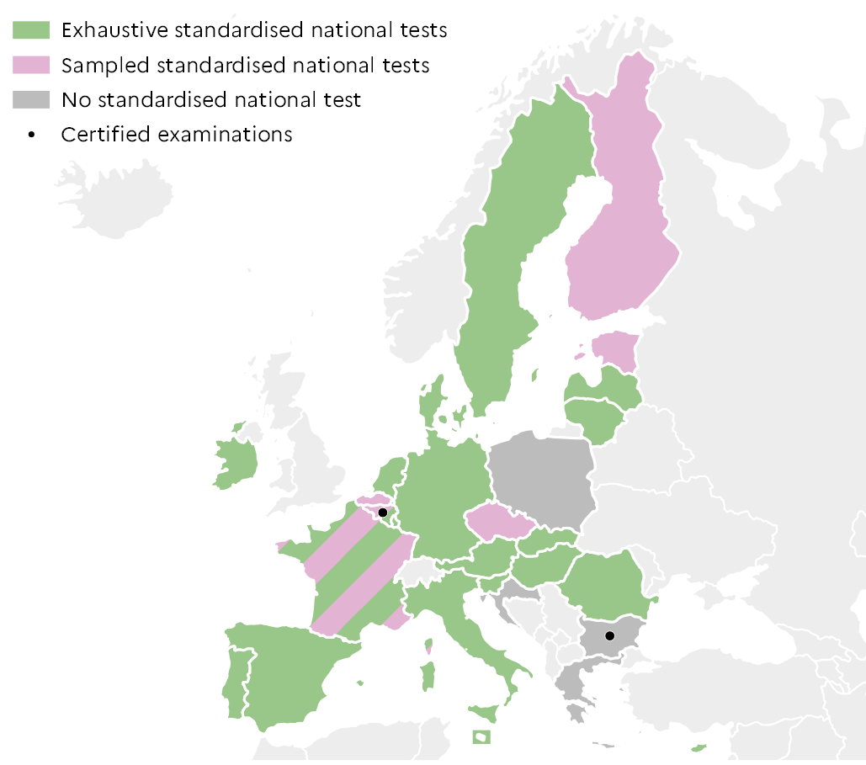
 |  | Test | Exam
 | BE fr | Both | Yes
 | BE nl | Sample
 | BG | None | Yes
 | CZ | Sample
 | DK | Exhaustive
 | DE | Exhaustive
 | EE | Sample
 | IE | Exhaustive
 | EL | None
 | ES | Exhaustive
 | FR | Both
 | HR | None
 | IT | Exhaustive
 | CY | Exhaustive
 | LV | Exhaustive
 | LT | Exhaustive
 | LU | Exhaustive
 | HU | Exhaustive
 | MT | Exhaustive
 | NL | Exhaustive
 | AT | Exhaustive
 | PL | None
 | PT | Exhaustive
 | RO | Exhaustive
 | SI | Exhaustive
 | SK | Exhaustive
 | FI | Sample
 | SE | Exhaustive |  |  |  | DEPP, Education in Europe: Key figures 2022.

5.4.6: Presence of certified examinations and national tests in science in primary education, 2020-2021
Eurydice, Increasing achievement and motivation in mathematics and science learning in schools, figure 4.6

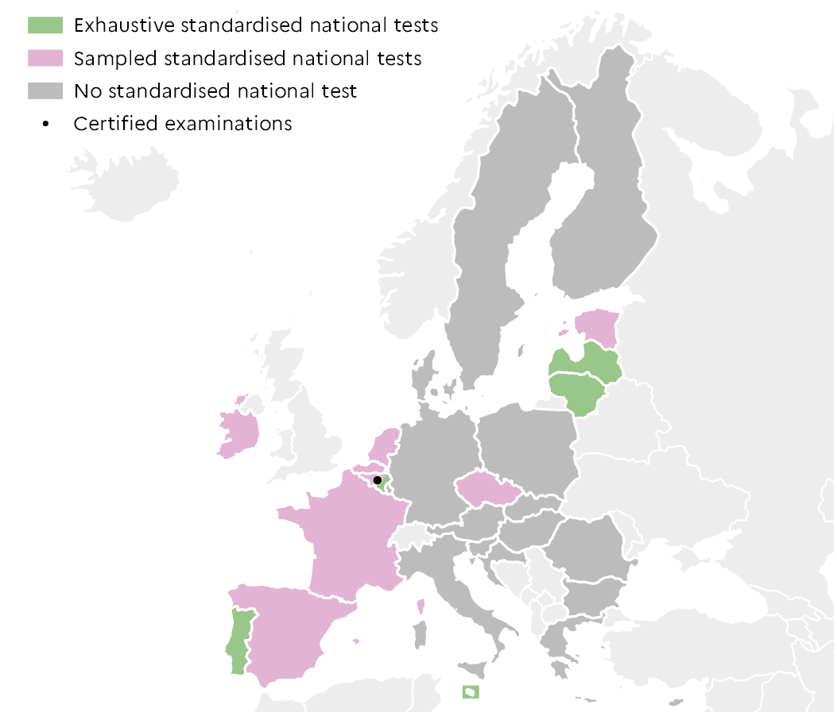
 |  | Test | Exam
 | BE fr | Sample | Yes
 | BE nl | Sample
 | BG | None
 | CZ | Sample
 | DK | None
 | DE | None
 | EE | Sample
 | IE | Sample
 | EL | None
 | ES | Sample
 | FR | Sample
 | HR | None
 | IT | None
 | CY | None
 | LV | Exhaustive
 | LT | Exhaustive
 | LU | None
 | HU | None
 | MT | Exhaustive
 | NL | Sample
 | AT | None
 | PL | None
 | PT | Exhaustive
 | RO | None
 | SI | None
 | SK | None
 | FI | None
 | SE | None |  |  |  | DEPP, Education in Europe: Key figures 2022.

5.5
5.5.1: Proportion of out-of-school girls and boys being in the theoretical age group of upper secondary education (ISCED 3), 2019-2020
UNESCO, UOE data collection, sdg4-data.uis.unesco.org

%
 |  |  | Girls | Boys
 | Europe | Germany | 16.7 | 16.7
 |  | Italy | 6.0 | 6.9
 |  | France | 3.0 | 3.2
 |  | United Kingdom | 2.4 | 3.2
 |  | Poland | 2.4 | 1.8
 | Northern America | Canada | 10.5 | 9.9
 |  | United States | 3.1 | 2.8
 | Latin America and the Caribbean | Mexico | 25.7 | 30.8
 |  | Colombia | 15.6 | 18.1
 |  | Brazil | 13.2 | 13.5
 | Western Asia and Northern Africa | Jordania | 40.7 | 46.1
 |  | Morocco | 26.8 | 24.1
 |  | Turkey | 18.8 | 17.2
 | Sub-Sahharan Africa | Mozambique | 65.9 | 56.6
 |  | Ghana | 24.7 | 25.0
 |  | South Africa | 16.9 | 19.6
 | Central and Southern Asia | Iindia | 41.2 | 43.4
 |  | Bangladesh | 33.9 | 40.7
 |  | Iran | 17.5 | 17.0
 | Eastern and South-eastern Asia | Thailand | 26.3 | 38.6 |  | Interpretation: In France in 2019-2020, 3.0% of girls and 3.2% of boys old enough to be enrolled in ISCED 3 are not enrolled at any level of education.
 |  | Philippines | 16.4 | 26.8 |  | Note: Estimates are subject to uncertainty due to possible discrepancies between the general and school population databases.
 |  | South Korea | 9.3 | 8.9
 | Oceania | Fidji | 17.9 | 33.1 |  |  |  | DEPP, Education in Europe: Key figures 2022.
 |  | Australia | 5.5 | 8.9
 |  | New Zealand | 1.0 | 1.6

5.5.2: Proportion of 15-24 year olds girls and boys who participate in vocational programmes from secondary to short-cycle tertiary education, 2019-2020
UNESCO, UOE data collection, sdg4-data.uis.unesco.org

%
 |  |  | Girls | Boys
 | Europe | Spain | 14.7 | 19.1
 |  | Italy | 15.7 | 25.6
 |  | United Kingdom | 15.8 | 18.5
 |  | France | 16.8 | 21.9
 |  | Germany | 17.8 | 22.6
 | Northern America | United States | 1.7 | 1.4
 |  | Canada | 7.6 | 8.1
 | Latin America and the Caribbean | Brazil | 4.4 | 3.5
 |  | Colombia | 9.3 | 8.6
 |  | Mexico | 11.9 | 12.0
 | Western Asia and Northern Africa | Saudi Arabia | 1.3 | 5.7
 |  | Morocco | 6.5 | 8.6
 |  | Turkey | 20.7 | 23.2
 | Sub-Sahharan Africa | Ghana | 0.8 | 2.1
 |  | Ivory Coast | 1.8 | 2.1
 |  | South Africa | 2.3 | 2.0
 | Central and Southern Asia | India | 0.3 | 2.8
 |  | Bangladesh | 1.8 | 4.7
 |  | Iran | 6.5 | 10.5
 | Eastern and South-eastern Asia | China | 7.7 | 6.8
 |  | Thailand | 8.8 | 11.9 |  | Interpretation: In France in 2019-2020, 16.8% of girls and 21.9% of boys aged 15-24 participate in vocational secondary (for France, ISCED 35 only), post-secondary non-tertiary (ISCED 45) and short-cycle tertiary (ISCED 55) education.
 |  | South Korea | 11.7 | 15.6
 | Oceania | Fidji | 0.5 | 0.9
 |  | New Zealand | 10.3 | 18.0 |  |  |  |  | DEPP, Education in Europe: Key figures 2022.
 |  | Australia | 14.0 | 17.1

5.5.3: Proportion of 15 year olds girls and boys who declare using every day or almost every day digital devices for the following activities, 2018
OCDE, PISA 2018, Table II.B1.8.6

 |  |  | Girls |  | Boys
 |  |  | Using e-mail | Obtaining practical information from the Internet | Using e-mail | Obtaining practical information from the Internet
 | Europe | Italy | 17.2 | 55.9 | 30.8 | 54.7
 |  | Germany | 19.2 | 33.5 | 29.7 | 35.2
 |  | France | 19.7 | 46.1 | 27.1 | 50.3
 |  | Russia | 22.7 | 50.0 | 38.9 | 54.7
 |  | United Kingdom | 30.0 | 34.2 | 35.4 | 40.2
 | Northern America | United States | 33.3 | 40.2 | 38.0 | 48.0
 | Latin America and the Caribbean | Chile | 13.9 | 35.5 | 23.5 | 38.0
 |  | Mexico | 17.3 | 36.6 | 26.3 | 39.2
 |  | Brazizl | 24.2 | 51.4 | 37.3 | 52.3
 | Western Asia and Northern Africa | Turkey | 12.5 | 38.0 | 28.8 | 46.0
 |  | Israel | 18.8 | 30.9 | 28.9 | 37.1
 |  | Morocco | 20.5 | 27.0 | 28.5 | 29.7
 | Central and Southern Asia | Kazakhstan | 17.0 | 42.2 | 28.4 | 41.8
 | Eastern and South-eastern Asia | Japan | 7.7 | 29.2 | 11.0 | 34.4
 |  | South Korea | 9.3 | 38.7 | 14.6 | 35.0
 |  | Thailand | 23.0 | 49.0 | 35.5 | 50.3 | Interpretation: In France in 2018, 46.1% of girls and 50.3% of boys aged 15 said that they use Information and Communication Technologies (ICT) every day or almost every day to obtain practical information on the nternet.
 | Oceania | New Zealand | 38.7 | 30.4 | 36.3 | 34.7
 |  | Australia | 46.3 | 36.0 | 47.2 | 42.0
 |  |  |  |  |  |  |  |  |  | DEPP, Education in Europe: Key figures 2022.

