1.1
1.1.1: Types of organisation of education systems in Europe, 2022-2023
Eurydice, The structure of the European education systems 2022/2023: schematic diagrams

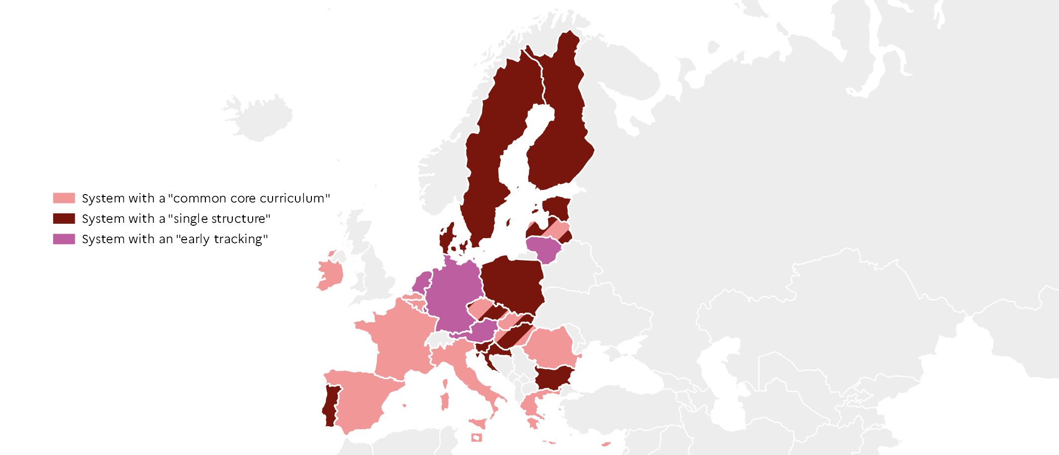
 |  | Type
 | BE fr | Common core
 | BE nl | Common core
 | BG | Single structure
 | CZ | Single structure + common core
 | DK | Single structure
 | DE | Early tracking
 | EE | Single structure
 | IE | Common core
 | EL | Common core
 | ES | Common core
 | FR | Common core
 | HR | Single structure
 | IT | Common core
 | CY | Common core
 | LV | Single structure + common core
 | LT | Early tracking
 | LU | Early tracking
 | HU | Single structure + common core
 | MT | Common core
 | NL | Early tracking
 | AT | Early tracking
 | PL | Common core
 | PT | Single structure
 | RO | Common core
 | SI | Single structure |  | DEPP, Education in Europe: Key figures 2022.
 | SK | Single structure + common core
 | FI | Single structure
 | SE | Single structure

1.1.2: A "single structure" system: Finland
Official national data, OECD : Education GPS; Eurydice portal: National Education Systems.

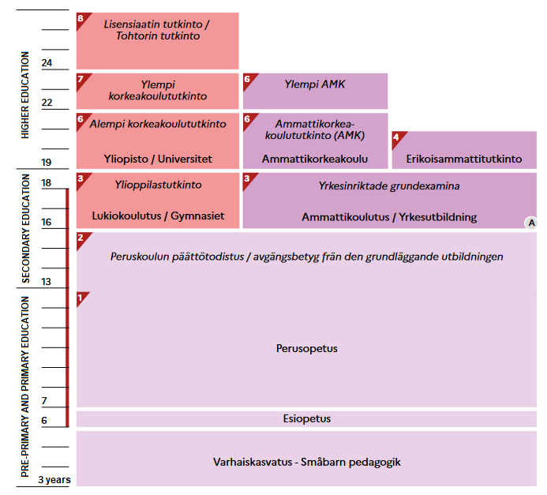

 |  |  | DEPP, Education in Europe: Key figures 2022.

1.1.3: A "common core curriculum" system: France
Official national data, OECD : Education GPS; Eurydice portal: National Education Systems.

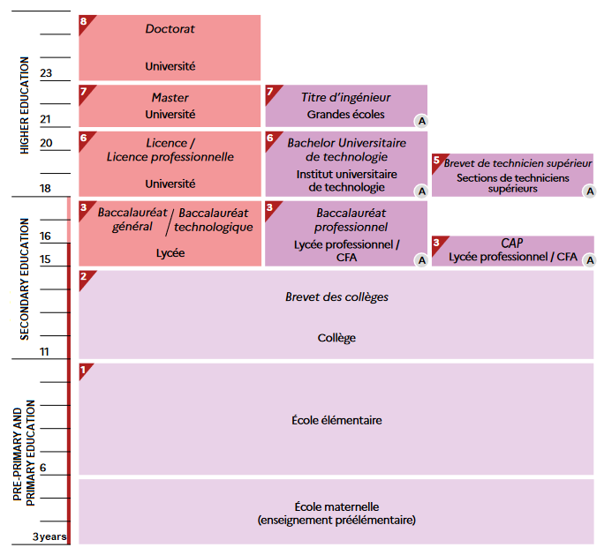

 |  |  | DEPP, Education in Europe: Key figures 2022.

1.1.4: A "early tracking" system: Germany
Official national data, OECD : Education GPS; Eurydice portal: National Education Systems.

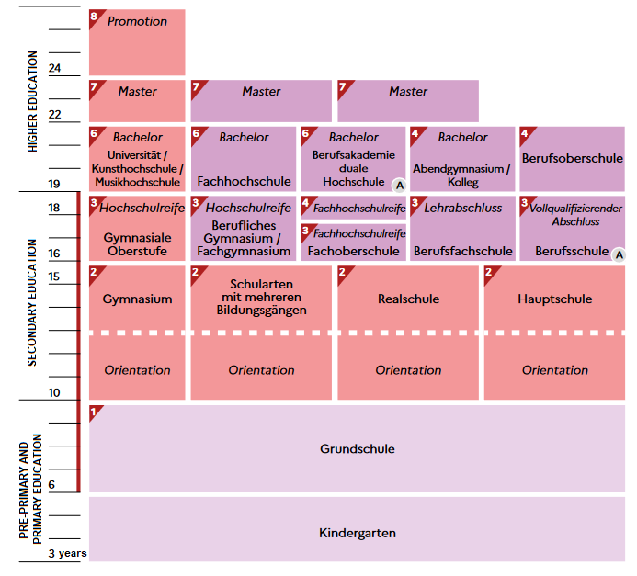

 |  |  | DEPP, Education in Europe: Key figures 2022.

1.2
1.2.1: Compulsory education in Europe, 2021-2022
Eurydice, The structure of the European education systems 2021/2022: schematic diagrams

 |  | Starting age | ISCED 0 | ISCED 1 | ISCED 2 | ISCED 3 | Compulsory training period
 | HR | 7 | 0 | 4 | 4 | 0 | 0
 | EE | 7 | 0 | 6 | 3 | 0 | 0
 | SI | 6 | 0 | 6 | 3 | 0 | 0
 | ES | 6 | 0 | 6 | 3 | 1 | 0
 | IE | 6 | 0 | 6 | 3 | 1 | 0
 | IT | 6 | 0 | 5 | 3 | 2 | 0
 | SE | 6 | 1 | 6 | 3 | 0 | 0
 | LT | 6 | 1 | 4 | 5 | 0 | 0
 | DK | 6 | 0 | 7 | 3 | 0 | 0
 | PT | 6 | 0 | 6 | 3 | 3 | 0
 | PL | 6 | 1 | 4 | 4 | 0 | 3
 | FI | 6 | 1 | 6 | 3 | 2 | 0
 | DE | 6 | 0 | 4 | 5 | 4 | 0
 | CZ | 5 | 1 | 5 | 4 | 0 | 0
 | CY | 5 | 1 | 6 | 3 | 0 | 0
 | MT | 5 | 0 | 6 | 3 | 2 | 0
 | SK | 5 | 1 | 4 | 5 | 1 | 0
 | LV | 5 | 2 | 6 | 3 | 0 | 0
 | BG | 5 | 2 | 4 | 3 | 2 | 0
 | RO | 5 | 1 | 5 | 4 | 2 | 0
 | BE | 5 | 1 | 6 | 2 | 4 | 0
 | NL | 5 | 1 | 6 | 3 | 1 | 2
 | AT | 5 | 1 | 4 | 4 | 1 | 3
 | EL | 4 | 2 | 6 | 3 | 0 | 0
 | LU | 4 | 2 | 6 | 3 | 1 | 0
 | HU | 3 | 3 | 4 | 4 | 2 | 0
 | FR | 3 | 3 | 5 | 4 | 1 | 2

 |  |  |  |  |  |  |  | Note: From secondary education onwards, the durations used for each level of education correspond to the general stream (the most common if there are several).

 |  |  |  |  |  |  |  |  |  | DEPP, Education in Europe: Key figures 2022.

1.2.2: Total number of pupils in ISCED 1 and ISCED 2, 2019-2020
Eurostat, UOE data collection, educ_uoe_enra02

 |  | ISCED 1 | ISCED 2
 | EU-27 | 23,303,772 | 19,006,196
 | MT | 27,035 | 13,307
 | LU | 40,098 | 23,263
 | CY | 59,195 | 28,267
 | EE | 89,702 | 42,755
 | LT | 118,616 | 164,579
 | LV | 120,051 | 58,130
 | SI | 134,199 | 58,811
 | HR | 156,627 | 176,472
 | SK | 232,979 | 262,951
 | BG | 248,354 | 198,514
 | AT | 343,981 | 341,516
 | HU | 358,766 | 393,848
 | FI | 373,173 | 186,665
 | DK | 452,253 | 243,090
 | IE | 570,381 | 215,239
 | CZ | 571,922 | 439,486
 | PT | 601,972 | 348,892
 | EL | 625,523 | 332,800
 | BE | 823,725 | 440,418 |  |  |  |  |  | DEPP, Education in Europe: Key figures 2022.
 | SE | 892,231 | 398,179
 | RO | 904,077 | 718,564
 | NL | 1,161,942 | 771,962
 | PL | 1,333,675 | 1,744,202
 | IT | 2,762,544 | 1,777,516
 | ES | 3,006,992 | 1,702,246
 | DE | 3,014,502 | 4,478,174
 | FR | 4,279,257 | 3,446,350

1.2.3: Average class size in ISCED 1 and ISCED 2, 2019-2020
OECD, UOE data collection, oecd.stat

 |  | ISCED 1 | ISCED 2
 | FR | 22.1 | 25.6
 | HU | 22.0 | 21.4
 | ES | 21.9 | 25.4
 | DE | 20.9 | 23.9
 | PT | 20.5 | 21.9
 | SE | 20.3 | 21.9
 | CZ | 20.3 | 22.0
 | DK | 19.6 | 20.2
 | EU-22 | 19.3 | 20.9
 | SI | 18.7 | 20.3
 | FI | 18.7 | 19.4
 | EE | 18.7 | 18.4
 | IT | 18.7 | 20.7
 | SK | 18.3 | 19.9
 | AT | 18.3 | 21.1
 | LT | 17.7 | 19.7
 | EL | 17.0 | 20.1
 | LV | 16.8 | 16.7
 | PL | 16.6 | 18.4 |  | Note: Data for Belgium, Ireland, Luxembourg and the Netherlands are not available.

 |  |  |  |  |  |  |  |  | DEPP, Education in Europe: Key figures 2022.

1.3
1.3.1: Annual expenditure per student on educational institutions, by ISCED level, 2019
OECD, Education at a glance 2022, table B2.4 and table C1.1

 |  | ISCED 02 | ISCED 1 |  | ISCED 2 | ISCED 3
 | LU | 21,938 | 22,203 | LU | 25,141 | 24,381
 | SE | 14,150 | 13,234 | FI | 16,869 | 9,292
 | FI | 12,718 | 10,576 | AT | 16,594 | 17,248
 | DE | 12,000 | 10,622 | BE | 15,005 | 15,007
 | DK | 11,431 | 12,273 | DK | 14,924 | 10,584
 | AT | 11,143 | 13,299 | NL | 14,438 | 15,372
 | IT | 10,458 | 10,570 | SE | 13,158 | 13,437
 | EU-22 | 9,841 | 10,141 | DE | 13,096 | 16,624
 | BE | 9,728 | 11,720 | CZ | 12,856 | 11,810
 | FR | 9,555 | 9,312 | SI | 12,037 | 8,853
 | SI | 9,249 | 9,562 | EU-22 | 11,945 | 11,646
 | LT | 8,339 | 7,095 | FR | 11,825 | 15,725
 | PT | 8,147 | 8,992 | PT | 11,347 | 10,991
 | PL | 8,003 | 8,949 | IT | 10,623 | 10,519
 | NL | 7,985 | 10,150 | ES | 10,093 | 11,334
 | ES | 7,827 | 8,580 | PL | 8,856 | 8,519
 | HU | 7,818 | 8,262 | HU | 7,293 | 8,373
 | CZ | 6,818 | 7,520 | EL | 7,179 | 6,296
 | LV | 6,637 | 6,865 | SK | 7,082 | 8,003
 | SK | 6,623 | 7,972 | LT | 7,079 | 7,622
 | EL | 6,250 | 7,279 | LV | 6,986 | 8,770 | Note: Data for Estonia and Ireland are not available.
 |  |  |  |  |  |  |  |  |  | DEPP, Education in Europe: Key figures 2022.

1.3.2: Factors affecting the salary cost per student in ISCED 1 and ISCED 2
OECD, Education at a glance 2021, table D1.1, table D2.1; Education at a glance 2022, table D3.4, table D4.1

Statutory instruction time, in hours (2020-2021)
Student-teacher ratio (2019-2020)
 | Student-teacher ratio (2019-2020) | ISCED 1 | ISCED 2 | Statutory instruction time, in hours (2020-2021) | ISCED 1 | ISCED 2
 | IT | 11.2 | 10.8 | IT | 891 | 990
 | DE | 14.9 | 12.8 | DE | 725 | 900
 | FR | 18.4 | 14.6 | FR | 864 | 958

Teachers' actual salaries (25-64 y.o.) in US $ PPP (2020-2021)
Statutory teaching time, in hours (2020-2021)
 | Teachers' actual salaries (25-64 y.o.) in US $ PPP (2020-2021) | ISCED 1 | ISCED 2 | Statutory teaching time, in hours (2020-2021) | ISCED 1 | ISCED 2
 | IT | 40,008 | 42,822 | IT | 744 | 608
 | FR | 42,832 | 48,209 | DE | 691 | 641
 | DE | 81,429 | 89,722 | FR | 900 | 720

 |  |  |  |  |  |  | Note: See Definitions for "statutory instruction time" and "statutory teaching time".

 |  |  |  |  |  |  |  |  | DEPP, Education in Europe: Key figures 2022.

1.3.3: Change in public expenditure on public institutions from ISCED 1 to ISCED 4 and change in GDP between 2015 and 2019
OECD, Education at a glance 2022, table C2.4

 |  | Change in education expenditure | Change in GDP
 | LV | 95 | 113
 | AT | 102 | 108
 | FI | 102 | 109
 | EL | 102 | 104
 | NL | 103 | 110
 | BE | 103 | 107
 | IT | 104 | 104
 | FR | 106 | 107
 | HU | 109 | 117
 | DE | 110 | 107
 | ES | 110 | 111
 | EU-22 | 111 | 112
 | SI | 112 | 117
 | LT | 113 | 116
 | LU | 113 | 112
 | PL | 114 | 119
 | IE | 116 | 127
 | SE | 119 | 109 |  |  |  |  | DEPP, Education in Europe: Key figures 2022.
 | SK | 121 | 112
 | EE | 133 | 118

1.4
1.4.1: Average annual instruction time and years of compulsory education in ISCED 1, 2020-2021
Eurydice, Recommended annual instruction time in full-time compulsory education in Europe 2020/2021, 2021

Hours
 |  | Average annual instruction time (left axis) | ISCED 1 duration (right axis) | Total instruction time in ISCED 1 (not represented on the graph)
 | DK | 1000 | 7.0 | 7000
 | NL | 940 | 6.0 | 5640
 | LU | 924 | 6.0 | 5544
 | IE | 915 | 6.0 | 5490
 | PT | 905 | 6.0 | 5430
 | IT | 891 | 5.0 | 4455
 | FR | 864 | 5.0 | 4320
 | BEfr | 863 | 6.0 | 5178
 | BEnl | 824 | 6.0 | 4944
 | CY | 793 | 6.0 | 4758
 | ES | 792 | 6.0 | 4752
 | EU-27 | 759 | 5.3 | 4037
 | MT | 749 | 6.0 | 4495
 | EL | 739 | 6.0 | 4436
 | DE | 725 | 4.0 | 2900
 | SE | 714 | 6.0 | 4283
 | AT | 705 | 4.0 | 2820
 | CZ | 690 | 5.0 | 3452
 | SI | 682 | 6.0 | 4091
 | HU | 678 | 4.0 | 2711
 | SK | 673 | 4.0 | 2692
 | LT | 662 | 4.0 | 2646
 | EE | 661 | 6.0 | 3964 |  |  |  | DEPP, Education in Europe: Key figures 2022.
 | FI | 660 | 6.0 | 3962
 | RO | 660 | 5.0 | 3300
 | LV | 598 | 6.0 | 3590
 | PL | 567 | 4.0 | 2268
 | BG | 507 | 4.0 | 2028
 | HR | 473 | 4.0 | 1892

1.4.2: Total compulsory instruction time by subject in ISCED 1, 2020-2021
Eurydice, Recommended annual instruction time in full-time compulsory education in Europe 2020/2021, 2021

 |  | Reading, writing, literature | Mathematics | Foreign languages | Natural sciences | Other compulsory subjects
 | HU | 698 | 428 | 54 | 81 | 1450
 | HR | 524 | 420 | 212 | 238 | 498
 | LT | 810 | 486 | 162 | 108 | 1080
 | DE | 771 | 599 | 148 | 105 | 1277
 | RO | 924 | 594 | 231 | 165 | 1386
 | LV | 835 | 609 | 406 | 225 | 1515
 | EE | 893 | 604 | 394 | 263 | 1810
 | SI | 919 | 682 | 343 | 324 | 1823
 | FI | 912 | 599 | 371 | 399 | 1681
 | MT | 670 | 857 | 670 | 256 | 2042
 | SE | 1200 | 830 | 328 | 336 | 1589
 | EL | 1184 | 642 | 492 | 492 | 1626
 | CY | 1406 | 908 | 270 | 270 | 1904
 | ES | 1106 | 877 | 552 | 348 | 1869
 | IE | 1098 | 918 | 768 | 222 | 2484
 | FR | 1656 | 900 | 270 | 306 | 1188
 | LU | 1601 | 1056 | 842 | 396 | 1649
 |  |  |  |  |  |  | Note: Countries where the organisation of instruction time is characterised by horizontal flexibility and/or countries where some subjects are included in another subject have been excluded from the figure, which explains the absence of a European average.

 |  |  |  |  |  |  |  |  | DEPP, Education in Europe: Key figures 2022.

1.4.3: Total instruction time allocated to arts education in ISCED 1, 2020-2021
Eurydice, Recommended annual instruction time in full-time compulsory education in Europe 2020/2021

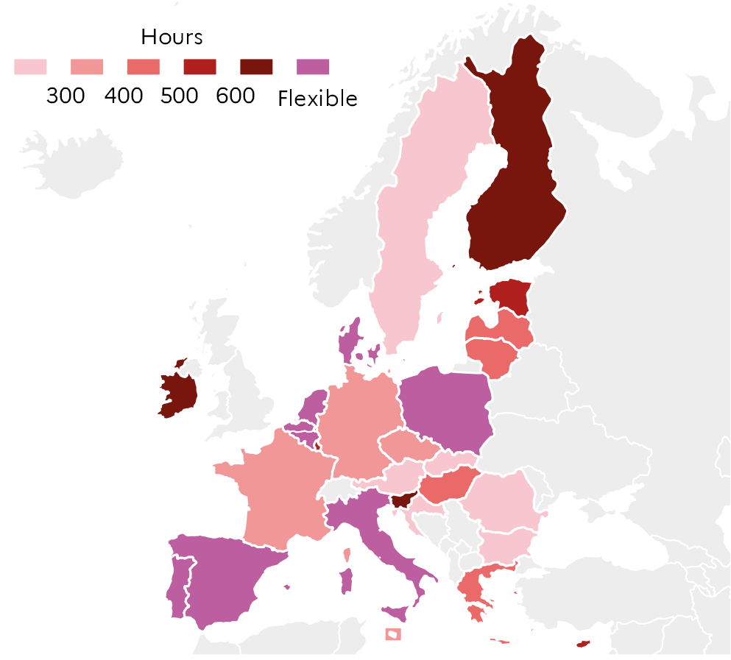
 |  | Total
 | IE | 660
 | SI | 630
 | FI | 627
 | LU | 594
 | EE | 578
 | CY | 546
 | LV | 452
 | EL | 444
 | LT | 432
 | HU | 428
 | DE | 382
 | FR | 360
 | CZ | 351
 | MT | 342
 | RO | 297
 | BG | 283
 | SK | 280
 | SE | 280
 | AT | 240
 | HR | 212
 | DK | Flexible
 | PL | Flexible
 | BEfr | Flexible
 | BEnl | Flexible |  |  |  | DEPP, Education in Europe: Key figures 2022.
 | NL | Flexible
 | PT | Flexible
 | IT | Flexible
 | ES | Flexible

1.4.4: Total instruction time allocated to physical education and health in ISCED 1, 2020-2021
Eurydice, Recommended annual instruction time in full-time compulsory education in Europe 2020/2021

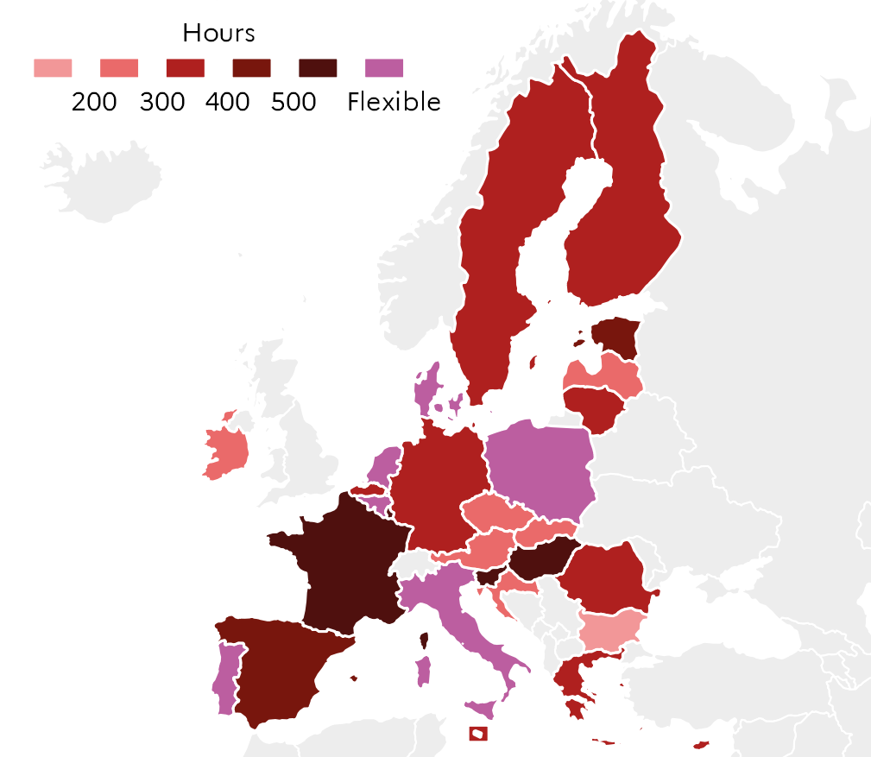
 |  | Total
 | SI | 588
 | HU | 536
 | FR | 540
 | LU | 528
 | EE | 420
 | RO | 396
 | ES | 457
 | EL | 394
 | MT | 342
 | FI | 371
 | BEfr | 372
 | CY | 316
 | DE | 319
 | AT | 300
 | SE | 320
 | HR | 290
 | CZ | 295
 | LT | 324
 | LV | 292
 | SK | 224
 | IE | 222
 | BG | 184
 | DK | Flexible
 | PL | Flexible |  |  |  | DEPP, Education in Europe: Key figures 2022.
 | PT | Flexible
 | BEnl | Flexible
 | IT | Flexible
 | NL | Flexible

1.5
1.5.1: Distribution of ISCED 3 students by programme orientation, 2019-2020
Eurostat, UOE data collection, educ_uoe_enra16

 |  | General education (ISCED 34) | Vocational education (ISCED 35)
 | SE | 64.4 | 35.6
 | ES | 63.4 | 36.6
 | DK | 61.8 | 38.2
 | PT | 61.3 | 38.7
 | LV | 60.7 | 39.3
 | FR | 60.7 | 39.3
 | EE | 60.1 | 39.9
 | EU-27 | 51.3 | 48.7
 | DE | 51.2 | 48.8
 | HU | 50.3 | 49.7
 | IT | 47.5 | 52.5
 | PL | 46.9 | 53.1
 | BE | 44.3 | 55.7
 | LU | 38.4 | 61.6
 | SK | 32.7 | 67.3
 | FI | 32.2 | 67.8
 | NL | 31.9 | 68.1
 | AT | 31.3 | 68.7
 | SI | 29.2 | 70.8 |  |  | DEPP, Education in Europe: Key figures 2022.

1.5.2: Proportion of students enrolled in combined school- and work-based programmes among the students in upper secondary vocational education, 2017-2018
OECD, Education at a glance 2020, table B7.1

 |  | Proportion of students enrolled in work-based learning programmes
 | ES | 3
 | SE | 6
 | BE | 6
 | EE | 6
 | SK | 13
 | FI | 14
 | PT | 14
 | PL | 14
 | LU | 22
 | FR | 25
 | SI | 28
 | EU-22 | 40
 | AT | 45
 | DE | 89
 | DK | 100
 | HU | 100
 | LV | 100
 | NL | 100
 |  |  |  |  | Note: Programmes combined school- and work-based programmes have less than 75% but more than 10% of the curriculum presented in the school environment (apprenticeship or sandwich programmes).

 |  |  |  |  |  | DEPP, Education in Europe: Key figures 2022.

1.5.3: Mean score in Reading by programme orientation in PISA 2018
OECD, PISA 2018, table II.B1.4.5

 |  | Vocational education | General education | Mean score
 | BG | 379 | 459 | 420
 | CY | 331 | 440 | 424
 | RO | 339 | 447 | 428
 | EL | 362 | 478 | 457
 | SK | 378 | 462 | 458
 | LU | 476 | 469 | 470
 | LT | 373 | 478 | 476
 | HU | 390 | 507 | 476
 | IT | 433 | 521 | 476
 | HR | 448 | 544 | 479
 | NL | 388 | 518 | 485
 | CZ | 480 | 496 | 490
 | PT | 450 | 516 | 492
 | FR | 423 | 533 | 493
 | BE | 441 | 539 | 493
 | SI | 462 | 562 | 495
 | DE | 432 | 500 | 498
 |  |  |  |  |  |  |  | DEPP, Education in Europe: Key figures 2022.

1.5.4: Distribution of upper secondary vocational education graduates by gender and field of study during the 2020 academic year
Eurostat, UOE data collection, educ_uoe_grad02

 | EU-27 males | EU-27 females | DE m. | DE f. | FR m. | FR f. | PL m. | PL f. | PT m. | PT f. | FI m. | FI f.
 | 8 | 11
 |  |  | 14.331421076 | 17.153326499
 |  |  |  |  | 8.7799453752 | 13.048137684
 |  |  |  |  |  |  | 4.6133725683 | 6.9328102011
 |  |  |  |  |  |  |  |  | 5.1209292458 | 8.6056009335
 |  |  |  |  |  |  |  |  |  |  | 6.7814592573 | 13.387251065
 | 4 | 0
 |  |  | 2.8620182482 | 0.32790642888
 |  |  |  |  | 0 | 0
 |  |  |  |  |  |  | 13.029916626 | 1.3562203695
 |  |  |  |  |  |  |  |  | 11.445847035 | 1.1668611435
 |  |  |  |  |  |  |  |  |  |  | 3.7238020697 | 0.44525610923
 | 27 | 5
 |  |  | 31.722877681 | 3.7578713461
 |  |  |  |  | 31.577064303 | 4.4538024034
 |  |  |  |  |  |  | 33.832924636 | 5.0985777342
 |  |  |  |  |  |  |  |  | 13.482550122 | 2.0313991726
 |  |  |  |  |  |  |  |  |  |  | 19.312983738 | 4.4473432472
 | 2 | 10
 |  |  | 1.7815188116 | 8.9852728627
 |  |  |  |  | 1.6657876083 | 15.176522759
 |  |  |  |  |  |  | 0.034003596534 | 0.091548144515
 |  |  |  |  |  |  |  |  | 1.6176938581 | 11.689827092
 |  |  |  |  |  |  |  |  |  |  | 3.1585355248 | 18.206800591
 |  | Business, administration and law | Information and communication technologies | Engineering, manufacturing and construction | Health and welfare
 | EU-27 males | 8 | 4 | 27 | 2
 | EU-27 females | 11 | 0 | 5 | 10
 | DE m. | 14 | 3 | 32 | 2
 | DE f. | 17 | 0 | 4 | 9
 | FR m. | 9 | 0 | 32 | 2
 | FR f. | 13 | 0 | 4 | 15
 | PL m. | 5 | 13 | 34 | 0
 | PL f. | 7 | 1 | 5 | 0
 | PT m. | 5 | 11 | 13 | 2
 | PT f. | 9 | 1 | 2 | 12
 | FI m. | 7 | 4 | 19 | 3
 | FI f. | 13 | 0 | 4 | 18

 |  |  |  |  |  |  | DEPP, Education in Europe: Key figures 2022.

1.5.5: Employment rate of recent graduates of upper secondary and post-secondary non-tertiary vocational education, 2021
Eurostat, labour force survey EU-LFS, edat_lfse_24

 |  | Employment rate in the total population of 20-34 year olds | Employment rate of 20-34 year olds ISCED 35 and 45 graduates
 | EL | 59.9 | 50.4
 | IT | 57.9 | 53.9
 | PT | 75.6 | 65.4
 | FR | 77.4 | 68.4
 | EE | 79.1 | 70.6
 | FI | 81.5 | 72.4
 | PL | 77.6 | 75.8
 | EU-27 | 78.7 | 76.4
 | DE | 89.3 | 91.6
 | NL | 91.4 | 91.8

 |  |  |  |  |  |  | DEPP, Education in Europe: Key figures 2022.

